Defect Report - Template
Title | test logearte con contraseña invalida 3 veces y se bloquea la cuenta

Description / Overview | Typing any text on the search bar redirects user to an error page

Reproduction Steps | 1-acceder al sitio http://127.0.0.1:5000/
 | 2-ingresar a sign in
 | 3-ingresar usuario y contreña
 | 4-click boton sing in
 | 5-ingresar contraseña de nuevo
 | 6-click boton sing in
 | 7-ingresar contraseña de nuevo
 | 8-click boton sing in

Expected Behavior | se muestra el mensaje " your user has been blocked. Please select the option "Blocked User?" to unblock"

Actual Behavior | Solo aparece el mensaje de contraseña incorrecta
 | 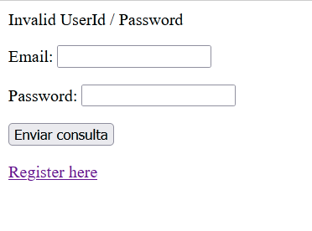
Incidence / Severity / Probability of reproduction
 | 100% reproduction rate

Story and Acceptance Criteria affected | Affected User Story: PE-54

Browsers tested | mozilla firefox 107.0

Environment | local host http://127.0.0.1:5000/

Notes

